Sheet1
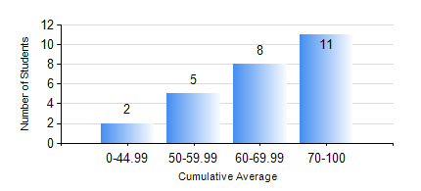
 |  |  | KWAME NKRUMAH UNIVERSITY OF SCIENCE AND TECHNOLOGY, KUMASI Department of Mechanical Engineering

 |  |  | BSC. AEROSPACE ENG., General Option

 |  |  | COMPREHENSIVE RECORD OF EXAMINATION RESULTS

 |  |  | RESULTS OF YEAR 2 SECOND SEMESTER, 2018/2019 ACADEMIC YEAR

 | Sn | Course Code |  | Course Name | Credit Hours | Min. Mark | Max. Mark | Avg. Mark | Std. Dev. | No. Passed | No. Trailed | No. (Df) | No. (I) | No. (I*) | No. Tagged(I,I*,Df) | Total
 | 0. |  |  |  |  |  |  | 0 | 0 | 0 | 0 | 0 | 0 | 0 | 0 | 2
 | 1. | AERO 256 |  | AEROSPACE STRUCTURES | 3 | 41 | 88 | 70 | 13.15 | 24 | 0 | 0 | 0 | 0 | 0 | 24
 | 2. | AERO 274 |  | AEROSPACE DESIGN PROJECT II | 2 | 44 | 90 | 72 | 10.53 | 24 | 0 | 0 | 0 | 0 | 0 | 24
 | 3. | ENGL 264 |  | LITERATURE IN ENGLISH II | 1 | 60 | 79 | 71 | 4.89 | 24 | 0 | 0 | 0 | 0 | 0 | 24
 | 4. | MATH 252 |  | CALCULUS WITH SEVERAL VARIABLES | 4 | 40 | 91 | 70 | 13.81 | 24 | 0 | 0 | 0 | 0 | 0 | 24
 | 5. | ME 258 |  | COMPUTER-AIDED DESIGN AND MODELLING | 3 | 35 | 94 | 71 | 14.7 | 23 | 1 | 0 | 0 | 0 | 0 | 24
 | 6. | ME 264 |  | MECHANISMS SYNTHESIS AND ANALYSIS | 3 | 42 | 94 | 70 | 13.51 | 24 | 0 | 0 | 0 | 0 | 0 | 24
 | 7. | ME 266 |  | THERMODYNAMICS | 2 | 43 | 90 | 68 | 13.37 | 24 | 0 | 0 | 0 | 0 | 0 | 24

